0.8.5
 |  | Roman: 0.8.5 win 64-bit (2016-01-11), Windows 7 64-bit, Java jdk1.8.0_66 64-bit |  |  | Roman: 0.8.5 win 64-bit (2016-01-12), Windows 7 64-bit, Java jdk1.8.0_66 64-bit |  |  | Sascha: 0.8.5 Linux 64-bit (2016-01-12), Ubuntu 14.04.1 64-bit, Java 1.7.0_65 64-bit
Scenario Nr | Name | Result | Comment | Actions | Result | Comment | Actions | Result | Comment | Actions
1 | Log in (initial model download) | pass | new repository configuration window | -> test scenarios | pass |  |  | pass | new repository configuration window
2 | Start using local data (no log in required) | pass |  |  | pass |  |  | pass
3 | Saving changes in the local model | pass |  |  | pass |  |  | pass
4 | Switching between no login (local data) to login(repository connection) | pass | new message; yes - local data saved, no - data from the repository restored | changed | pass |  |  | pass/? | After testing "yes", I'm not able to test "no" as it is only asking the first time. But changes can be reverted using the revert all button. | check whether test can be done after switchting from local mode to repository and back
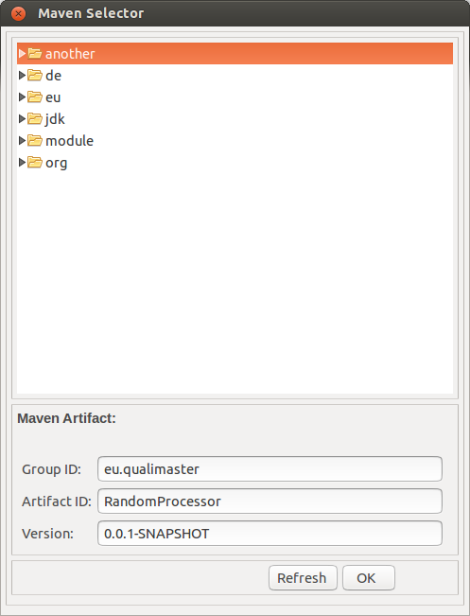
5 | Saving by using CTRL+S and Model|Save All | pass |  |  | pass |  |  | pass | Ctrl + Shift + S works also for saving all, but it does not ask. However, this is not part of the testing protocol. | no action
6 | Selecting an Artifact | pass | Cancel instead of Close; when artifact selected in the file tree UI selection jumps to the nesting folder, might be confusing | -> test scenarios | pass |  |  | fail | First time when I clicked on browse the artifact tree did not opened (tested on Random Sink), afterwards it opened every time. OK works Cancel/Close button is missing, I need to click on X. Refresh brings me to the root of the tree and closes all member. Thus, I'm lost and I do not know how to navigate back to the qualimaster artifacts.
7 | Selecting an Artifact (Pipeline Editor) | fail | artifact can be selected but is not saved (editor is not set dirty) | file issue | pass | Selection is possible, but the editor is set dirty after clicking on pipeline editor fieldthen it is possible to save. |  |  |  | issue #44
8 | Reverting all changes | pass |  |  | pass |  |  | error in test specification | Revert|all does not exist in scenario 2 (local mode) | adjust test spec
9 | Adding a new Type, General-purpose Machine, Reconfigurable Hardware Machine, Data Management, Algorithm Family, or Algorithm | pass |  |  | pass |  |  | pass
10 | Configuring a new Type, General-purpose Machine, Reconfigurable Hardware Machine, Data Management, Algorithm Family, or Algorithm | pass | if machine name is set to "roman" then displayed as "ports" in the view; attribute fileds in the UI of a new added Data Management and Algorithms are smaller | file issue, see also issue #34 | pass | For GP Machines name in the view changes only after restarting app; attribute fileds in the UI of a new added Data Management and Algorithms are smaller; | issue #42 | pass
11 | Editing a Type, General-purpose Machine, Reconfigurable Hardware Machine, Data Management, Algorithm Family, or Algorithm | pass |  |  | pass |  |  | pass
12 | Deleting a Type, General-purpose Machine, Reconfigurable Hardware Machine, Data Management, Algorithm Family, or Algorithm | pass |  |  | pass |  |  | fail | Deleted element, and directly re-added a new element. This new element is shown inside the TreeView as "ports" independently of ist real name. The name will be displayed corectly after a restart of the tool. | issue #42
13 | Cloning a Type, General-purpose Machine, Reconfigurable Hardware Machine, Data Management, Algorithm Family, Algorithm | pass |  |  | pass |  |  | pass
14 | Copying input/output fields | pass | for algorithms not clear what to copy from data managemet elements (input of output); nothing can be copied from algorithms; | ok for now | pass | From sink only output, from source input; when copying it does not add but replaces all fields you already have; | deferred | pass
15 | Adding a pipeline | pass |  |  | pass |  |  | pass
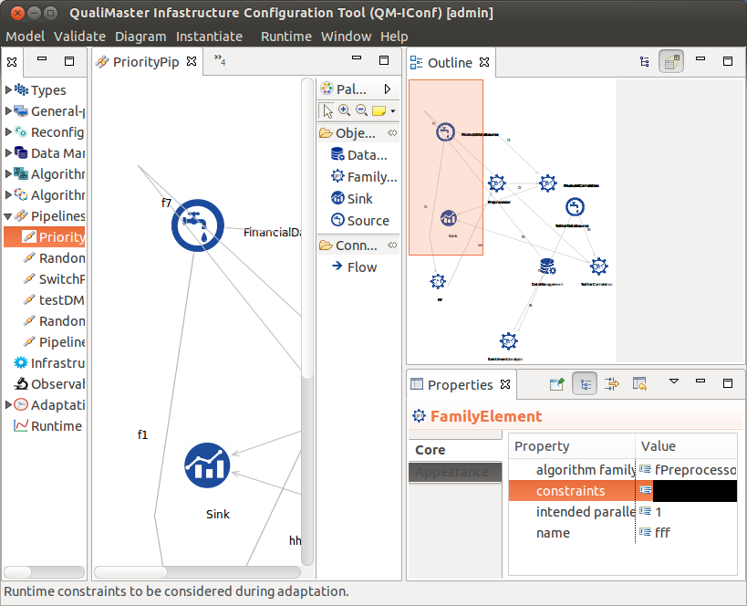
16 | Deleting a pipeline | pass |  |  | pass |  |  | pass
17 | Using the Graphical Pipeline Editor | pass |  |  | pass |  |  | pass | Unclear what "connect Family Element to remaining pipeline" means. Which part of the pipeline? | clarify test spec
18 | Defining / changing constraints | pass/fail | only for data management and pipeline elements; in pipelines only add and remove constraints, can not save, constraint not checked; |  | pass/fail | Algorithm Family do not have constraints in UI (changed document); in Pipeline Editor possible to add constraint for all elements(after adding click on the diagram space to set editor dirty); in Pipeline editorconstraints not check for syntax (name > 1 can be added) | issue #43 | fail | Pipeline editor does not work, if I click into the properties editor, the cell will only be black I do not find the configurable constraints inside the other editors. Needed help from Roman to find Constraint editor in ohter editors (only available for sources). Added constraint "name.size() > 100" to RandomSource, saved, and pressed validate -> No error detected. | issue #43
19 | Help texts for configuration entries | pass |  |  | pass |  |  | pass
20 | Help texts for configuration sections | pass |  |  | pass |  |  | pass
21 | Validating the model | pass |  |  | pass |  |  | pass
21--1 | No manager is assigned in Machines | pass | nimbus1.sse.local is also a manager so only 1 error found | -> test scenarios | pass |  |  | fail | role is not decorated, everything else is decorated correctly | issue #45
21--2 | Input/output mismatch in Algorithm Families and Algorithms | pass |  |  | pass |  |  | pass
21--3 | Input/output mismatch between Family Elements | pass | in the editor elements stay maked red after error is fixed and validation was ok | see also issue #38 | pass |  |  | pass
22 | Instantiating | pass |  |  | pass |  |  | pass

0.9.0
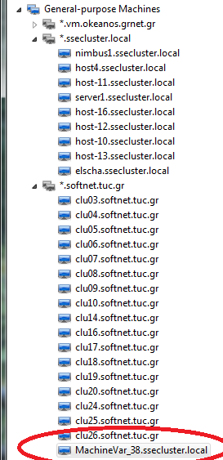
 |  | Roman: 0.9.0 win 64-bit (2016-03-15), Windows 7 64-bit, Java jdk1.8.0_74 64-bit with ConfModel |  |  | Roman: 0.9.0 win 64-bit (2016-03-17), Windows 7 64-bit, Java jdk1.8.0_74 64-bit with QM model |  |  | Sascha: 0.9.0 Linux 64-bit (2016-03-18), Ubuntu 14.04 64-bit,OpenJDK 64-Bit 1.7.0_65 with QM model |  |  | Sascha: 0.9.0 Linux 64-bit (2016-03-21), revalidation of major issues |  | Sascha: 0.9.0 win 64-bit (2016-03-21), Windows 7 64-bit, Java jdk1.8.0_73 64-bit with QM model
Scenario Nr | Name | Result | Comment | Actions | Result | Comment | Actions | Result | Comment | Actions |  |  | Result | Comment | Actions
1 | Log in (initial model download) | pass |  |  | pass |  |  | pass |  |  | pass |  | pass
2 | Start using local data (no log in required) | pass |  |  | pass |  |  | pass |  |  |  |  | pass
3 | Saving changes in the local model | pass |  |  | pass |  |  | pass |  |  |  |  | pass
4 | Switching between no login (local data) to login(repository connection) | pass |  |  | pass |  |  | pass | Choosing yes in Dialog: Model will not be overwritten, but next time, the dialog will not appear. Thus, resetting is only possible via the menu after the tool was started No: Works as specified |  |  |  | pass | Choosing yes in Dialog: Model will not be overwritten, but next time, the dialog will not appear. Thus, resetting is only possible via the menu after the tool was started No: Works as specified
5 | Saving by using CTRL+S and Model|Save All | pass |  |  | pass |  |  | pass | Saving with Crtl + Shift + S saves all without confirmation dialog as it appears with model -> save all. Ctrl + S works |  |  |  | pass
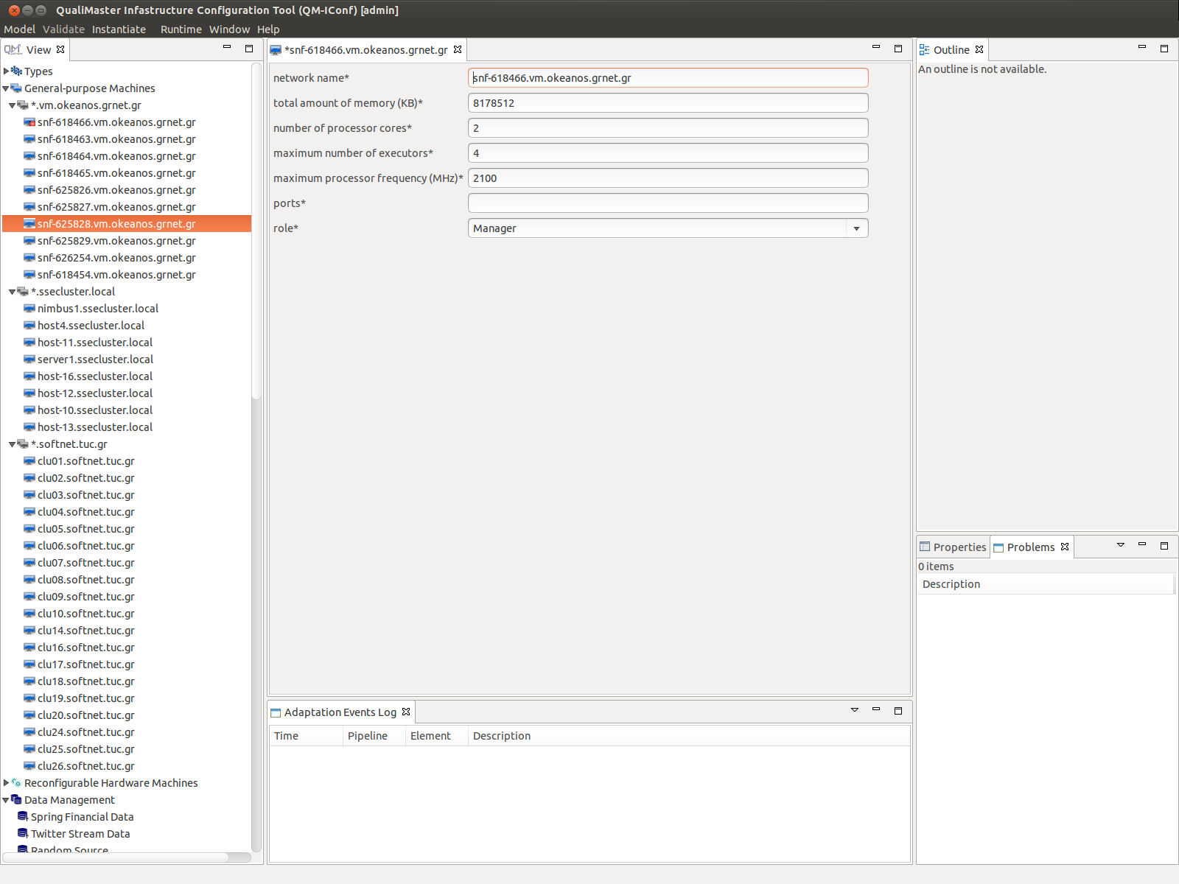
6 | Selecting an Artifact | pass |  |  | pass |  |  | pass |  |  |  |  | pass | Works also in offline mode without running this dioalog before in this workspace.
7 | Selecting an Artifact (Pipeline Editor) | fail | … button does not appear |  | pass |  |  | pass |  |  |  |  | pass
8 | Reverting all changes | pass |  |  | pass |  |  | pass | Contrary to specification: Revert needs a logged in user (oly scenario 1, not 2). Unclear what is ment by demo mode for testing the release version. |  | spec. fixed |  | pass
9 | Adding a new Type, General-purpose Machine, Reconfigurable Hardware Machine, Data Management, Algorithm Family, or Algorithm | pass |  |  | pass |  |  | pass |  |  |  |  | pass | Creating first a family and than an algorithm: The family editor has to be re-opened to make the newly created algorithm selectable (before the new algorithm does no appear / missing refresh of the editor). The added algorithm will only be indented below the family in the tree editor after a restart.
10 | Configuring a new Type, General-purpose Machine, Reconfigurable Hardware Machine, Data Management, Algorithm Family, or Algorithm | pass | GP machine is placed in subgroup but the original stays in the top-level. Gone after app restart. |  | pass | GP machine is placed in subgroup but the original stays in the top-level. Gone after app restart. |  | pass | Adding a new machine, renaming the machine after creation (and saving), will not rearange the machine to the correct domain. This will be done after restarting the app. |  | fixed |  | pass | Also a quote (") entered in a string field, does not brake the model. Over time the backslahes (needed for escaping the quotes) will be copied multiple times
11 | Configuring a new Algorithm, Source or Sink via Manifests | pass | filled only after class selection (not just algorithm) | Change in the description | pass | Only Algorithm tested |  | failed | dynamic-graph-compilation:0.1-SNAPSHOT: Complains that no (campatible manifest was found). Parameters are not taken over. |  | fixed |  | pass
12 | Editing a Type, General-purpose Machine, Reconfigurable Hardware Machine, Data Management, Algorithm Family, or Algorithm | pass |  |  | pass |  |  | pass | Unlees the part with "re-oppening the editor", this is like scenario 3. |  |  |  | pass
13 | Deleting a Type, General-purpose Machine, Reconfigurable Hardware Machine, Data Management, Algorithm Family, or Algorithm | pass | deleting MPCCNode did not update the editor. After deleting did not work on other elements. Wored after app restart. |  | pass |  |  | pass | New machines, which are not configured, will be added to the domain: "*.softnet.tuc.gr". Desired? |  |  |  | pass | Adding a new machine may lead to the situation that another machine maybe intentend into the wrong domain temporarily (cf. Screenshot). This will be fixed after resaving this item or after restart. Deleting a family containing algorithms lead to an exception and empty family category when opening the algorithms tree. This will also lead to further exceptions when restarting the app and switching from local to online mode. A revert of the model solves this problem.
14 | Cloning a Type, General-purpose Machine, Reconfigurable Hardware Machine, Data Management, Algorithm Family, Algorithm | pass |  |  | pass |  |  | pass |  |  |  |  | pass | A cloned algorithm will be intented in the same family as the original, but not assigned to the family (cf. 2nd screen shot). After saving the family, the cloned algorithm will be removed completly from the tree view
15 | Copying input/output fields | pass |  |  | pass |  |  | pass |  |  |  |  | pass
16 | Adding a pipeline | pass |  |  | pass |  |  | pass |  |  |  |  | pass
17 | Deleting a pipeline | pass |  |  | pass |  |  | pass | Active pipeleines cannot be deleted as they are referenced "by other parts of the model" |  |  |  | pass
18 | Using the Graphical Pipeline Editor | pass |  |  |  |  |  | pass |  |  |  |  | pass
19 | Defining / changing constraints | fail | unable to add (OK button inactive) |  | fail | DM constraints are added and removed. For pipeline constraints: constraints are added and shown in the property view. But upon pressin … to access them an empty window opens (so nothing to edit). After restarting model is broken. |  | pass | No ContentAssist, but I also do not have one in Eclipse (when running the Ubuntu VM). |  |  |  | pass
20 | Help texts for configuration entries | pass |  |  | pass |  |  | pass |  |  |  |  | pass
21 | Help texts for configuration sections | pass |  |  | pass |  |  | pass | Also not for Runtime |  |  |  | pass
22 | Help documentation | fail |  |  | pass |  |  | failed | When clicking on the PDFs, it shows me a message "Missing Plug-in". |  | failed | When clicking on the PDFs, it shows me a message "Missing Plug-in". | pass | QM documentation works, but the tree offers only the documentation to QM. The tree for the EASy-Producer documentation is missing.
23 | Validating the model | pass |  |  | pass |  |  | pass |  |  |  |  | pass
23--1 | Worker Machine has no ports assigned | pass | ConfModel needs to be updated. Results based on QM model. |  |  |  |  | failed | After multiple failures in a row, the red icon did not disappered in the treeview when fixing the model. Cf. Screenshot |  | failed | After multiple failures in a row, the red icon did not disappered in the treeview when fixing the model. Cf. Screenshot | failed | After multiple failures in a row, the red icon did not disappered in the treeview when fixing the model. Cf. Screenshot of the Linux test
23--2 | Input/output mismatch in Algorithm Families and Algorithms | pass | ConfModel needs to be updated. Results based on QM model. |  |  |  |  | pass |  |  |  |  | pass
23--3 | Input/output mismatch by an additional Flow | pass | ConfModel needs to be updated. Results based on QM model. |  |  |  |  | pass |  |  |  |  | pass
23--4 | Input/output mismatch by an additional element and two flows | pass | ConfModel needs to be updated. Results based on QM model. |  |  |  |  | ? | It shows me 3 errors (instead of 2). F2 is also marked red: Description Resource Path Location Type Input and output types should be the same Please check: "outgoing flows" in Pipelines, "f1" in PriorityPipCfg, "flow end" in Pipelines, "mismatch" in PriorityPipCfg, "Preprocessor" in PriorityPipCfg, "FinancialDataSource" in PriorityPipCfg, "m1" in PriorityPipCfg, "f3" in PriorityPipCfg or "input item types" in Pipelines//attributeAssignment Unknown Problem Input and output types should be the same Please check: "outgoing flows" in Pipelines, "f2" in PriorityPipCfg, "flow end" in Pipelines, "Preprocessor" in PriorityPipCfg or "input item types" in Pipelines//attributeAssignment Unknown Problem Input and output types should be the same Please check: "outgoing flows" in Pipelines, "m2" in PriorityPipCfg, "flow end" in Pipelines, "mismatch" in PriorityPipCfg, "Preprocessor" in PriorityPipCfg or "input item types" in Pipelines//attributeAssignment Unknown Problem |  |  |  | pass
23--5 | Input/output mismatch with Data Management Element | pass | ConfModel needs to be updated. Results based on QM model. |  |  |  |  | pass |  |  |  |  | pass
24 | Instantiating | pass |  |  |  |  |  | pass |  |  |  |  | pass

0.11.0
 |  | Sascha: 0.11.0 win 64-bit (2016-10-28), Windows 7 64-bit, Java jdk1.8.0_102 64-bit with QM2.devel Model |  |  | Sascha: 0.11.0 win 64-bit (2016-11-03), Windows 7 64-bit, Java jdk1.8.0_102 64-bit with QM2.devel Model |  |  | Sascha: 0.11.0 win 64-bit (2016-11-07), Windows 7 64-bit, Java jdk1.8.0_102 64-bit with QM2.devel Model
Scenario | Name | Result | Comment | Actions | Result | Comment | Actions | Result | Comment | Actions
1 | Log in (initial model download) | pass |  |  | pass |  |  | pass
2 | Start using local data (no log in required) | pass |  |  | pass |  |  | pass
3 | Saving changes in the local model | pass |  |  | skipped |  |  | skipped
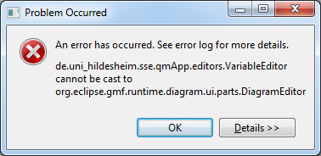
4 | Switching between no login (local data) to login(repository connection) | pass |  |  | skipped |  |  | skipped
5 | Saving by using CTRL+S and Model|Save All | pass |  |  | skipped |  |  | pass
6 | Selecting an Artifact | pass | Also downloads the archive in offline mode (I had no cached information in fresh workspace available) |  | pass |  |  | pass
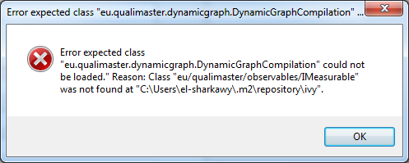
7 | Selecting an Artifact (Pipeline Editor) | pass |  |  | pass |  |  | skipped
8 | Reverting all changes | pass |  |  | pass |  |  | pass
9 | Adding a new Type, General-purpose Machine, Reconfigurable Hardware Machine, Data Management, Algorithm Family, or Algorithm | pass |  |  | pass |  |  | pass
10 | Configuring a new Type, General-purpose Machine, Reconfigurable Hardware Machine, Data Management, Algorithm Family, or Algorithm | pass |  |  | partially | Configuring an element throws an error dialog if a pipeline editor is still open, cf. Screenshot (Issue #135) |  | pass
11 | Configuring a new Algorithm, Source or Sink via Manifests | fail | After selecting a class, the app is throwing an error (cf. 1st screenshot). I expect a maven dependency problem behin this problem | Filed new Issue #133 | partially | For "eu.qualimaster:hy-preprocessor:3.1-SNAPSHOT" I receive a message telling me that no manifest was found, the second dailog tells me that the manifest has a different type specification and asks me whether I wanna change the model. This affects the model if I press the yes button. |  | pass
12 | Editing a Type, General-purpose Machine, Reconfigurable Hardware Machine, Data Management, Algorithm Family, or Algorithm | pass |  |  | pass |  |  | skipped
13 | Deleting a Type, General-purpose Machine, Reconfigurable Hardware Machine, Data Management, Algorithm Family, or Algorithm | pass |  |  | pass |  |  | skipped
14 | Cloning a Type, General-purpose Machine, Reconfigurable Hardware Machine, Data Management, Algorithm Family, Algorithm | partially | Works but cloned algorithms are not selected in their family (Issue #92). |  | partially | Works but cloned algorithms are not selected in their family (Issue #92). |  | partially | Works but cloned algorithms are not selected in their family (Issue #92).
15 | Copying input/output fields | pass |  |  | pass |  |  | skipped
16 | Infrastructure and adaptation configuration |  |  |  | partially | Deselecting a pipeline in "Infrastructure" deselects all pipelines (Issue 136). |  | pass
17 | Adding a pipeline |  |  |  | pass |  |  | skipped
18 | Deleting a pipeline |  |  |  | pass |  |  | skipped
19 | Using the Graphical Pipeline Editor |  |  |  | pass |  |  | skipped
20 | Defining / changing constraints |  |  |  | fail | Can add true, but if I want to use one of the variables, the editor informs me that the variable is not known. |  | pass
21 | Help texts for configuration entries |  |  |  | pass |  |  | pass
22 | Help texts for configuration sections |  |  |  | pass |  |  | pass
23 | Help documentation |  |  |  | pass |  |  | pass
24 | Validating the model
24.1 | Worker Machine has no ports assigned |  |  |  | pass |  |  | pass
24.2 | Input/output mismatch in Algorithm Families and Algorithms |  |  |  | pass | 7 failures found (instead of 5) in a bigger model |  | pass | 7 failures found (instead of 5) in a bigger model
24.3 | Input/output mismatch by an additional Flow |  |  |  |  |  |  | pass
24.4 | Input/output mismatch by an additional element and two flows |  |  |  |  |  |  | pass
24.5 | Input/output mismatch with Data Management Element |  |  |  |  |  |  | not reproduceable | There is no "testDMPip". Tried it on PriorityPip (only lower part), but no error occured. Tried all available sinks.
25 | Instantiating |  |  |  |  |  |  | pass

